EG info
Kenai River late-run Chinook escapement goal history

Initial Year | Lower | mid-point | Upper | Type |  | Smsy | CV | 90%CI |  | Ref.
1999 | 17,800 | 26,750 | 35,700 | BEG | all fish
2013 | 15,000 | 22,500 | 30,000 | SEG | all fish | 20,260 | 0.24 | 15,140 | 32,590 | FMS13-02
2017 | 13,500 | 20,250 | 27,000 | SEG | large fish | 18,477 | 0.31 | 11,731 | 31,832 | FMS17-02
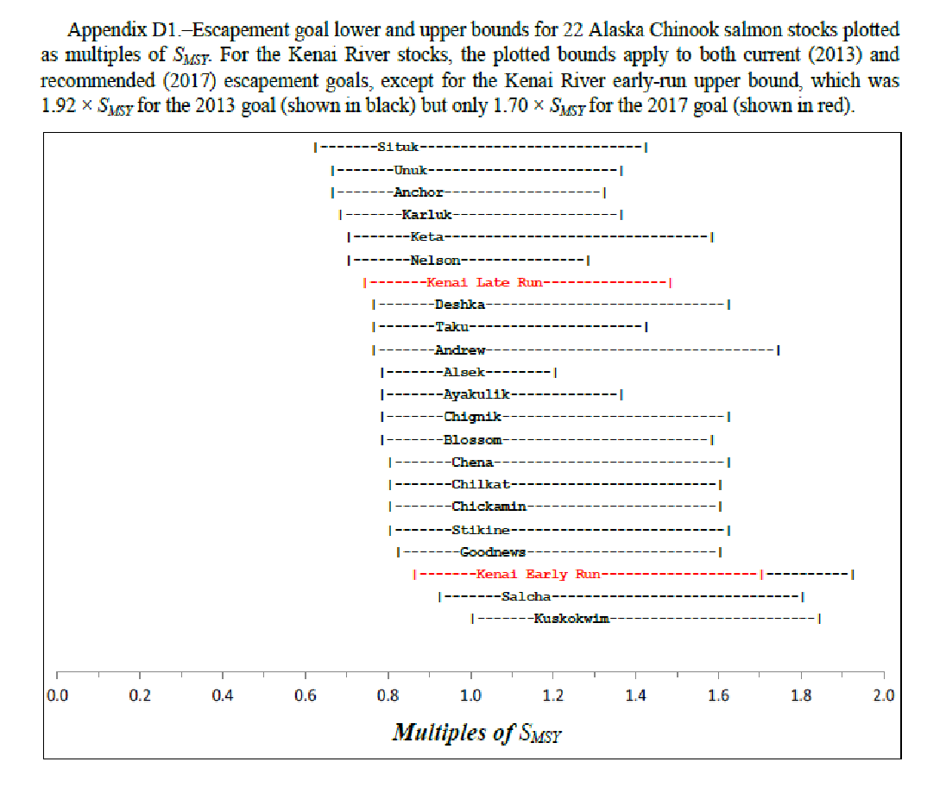

 | 0.0 0.2 0.4 0.6 0.8 1.0
 | 1.2 1.4 1.6 1.8 2.0
 | Multiples of SMSY

